Rear Axle
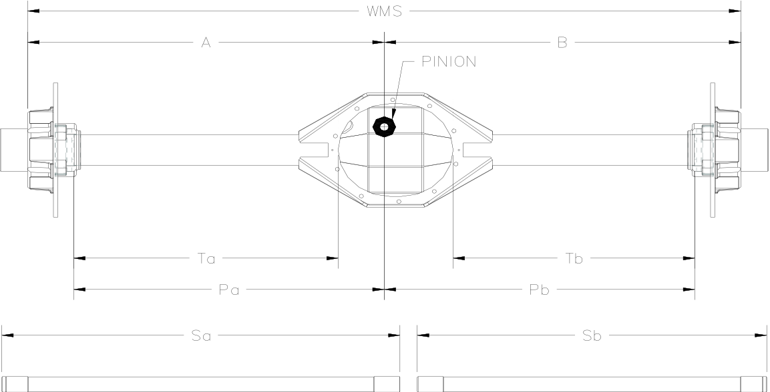
Given
WMS | 62.000
A | 31.000 |  | A = (WMS/2) - PinionOffset
Locker Gap | 0.500 |  | 0.500 | for Automatic Lockers | Spider 9 Rear Housing & Shaft Calculator for ULTIMATE UNIT BEARINGS
 |  |  | 1.500 | for Air Lockers
 |  |  |  |  |  | 2022-08-05
Solved for
Ultimate Unit Bearings
B | 31.000
Ta | 23.000
Tb | 21.000
Pa | 27.000
Pb | 27.000
Sa | 33.875
Sb | 29.625
Pinion Offset | 0.000

 | Pinion Offset: | + Passenger / - Driver

 | Components Used: | Spider 9 Housing, Ultimate Unit Bearings, Spidertrax Brake Hats, 9"/10" Differential (High or Low Pinion)

 |  | Questions, please contact us at support@spidertrax.com or (303) 772-0033.

